PLMF-CAL-012B
PROBLEM
Front seat cushion cover with exposed fibers.
Why happened.
WHY
Leather pattern had a back face with long fibers.
WHY
Production operator did not detect the fibers.
WHY
Production operator did not pass the leather pattern thru thickness maesurement device.
Report Corrective Actions |  |  |  | 5 WHYs
Title | 8-D /Concern # | Date Opened | Last Updated
Front seat cover with exposed fibers | FT-1002 | 11-Jun-21 | 17-Jun-21
PROBLEM
Front seat cushion cover with exposed fibers.
Why not detected.
WHY
Leather pattern did not pass thru the air flow fibers detection process.
Product/Process Information | Organization Information
2021 Chrysler Pacifica Pinnacle | Pearl Leather México
WHY
Only 1 piece of every box pass thru air flow fibers detection process.
D0 Symptom(s)
WHY
Production operator did not pass the leather pattern thru shaving process.
Front seat cushion cover with exposed fibers.
WHY
D0 Emergency Response Action(s) |  | % Completed | Date Implemented
WHY
WHY
1. - Involve all personnel in order to prevent defective material escape. |  | 100% | 11-Jun-21
Verification/Validation
WHY
Involving personnel
D1 Team (Name, Dept., Phone) |  | D2 Problem
Champion: |  | Problem Statement/Description:
Miguel Carrasco |  | 2021 Chrysler Pacifica Pinnacle front seat cushion cover with exposed fibers.
Team Leader:
Mario Sáenz
Team Members:
Jorge Jaramillo Jorge Olegario Misael Sánchez
D3 Interim Containment Action(s) |  | % Completed | Date Implemented
1. - Quality alert posted at all QC inspection station. 2. - QC personnel metting in order to inform about the issue. |  | 100% | 11-Jun-21

Verification/Validation
Meeting Minutes
D4 Root Cause(s) |  |  | % Contribution
1. - Production operator did not pass the leather pattern thru shaving process. 2. - Only 1 of every 30 pieces pass thru air flow fibers detection process. |  |  | 100%

Verification
5 Whys
D5 Chosen Permanent Corrective Action(s) |  |  | % Completed
1. - Production operator will measure 1 / 5 shaved of the shaved material in order to find defective pieces. 2. - QC inspector wil pass 1 of each pack of 30 pieces thru air flow fiber detection process (before this quality complaint 1 piece per box passed thru air flow fiber detection). |  |  | 100%

Verification
Updated work instructions and control plan.

D6 Prevention of occurrence for similar processes or products
All RU shaved products will be inspected in the same way
D7 Systemic Prevent Recommendations
Work instructions will be updated (6/18/2021)
D7A Learned Lessons
Shaving operation and inspection must be constantly improved.
D8 Team and Individual Recognition |  | Date Closed | Reported By
Jorge Jaramillo, Jorge Olegario, Misael Sánchez. |  | 17-Jun-21 | Mario Sáenz.

Issue Images
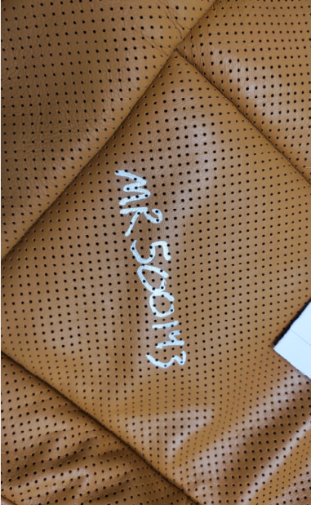
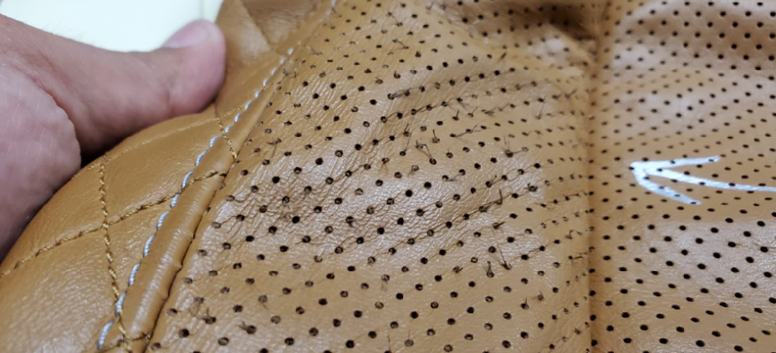

PLM Analysis
After an anaysis, PLM team reproduce the birding deffect on a perforated leather pattern with a fleashcoat application without shaving process. A perforated leather pattern with the shaving process but without fleshcoat, did not show the birding condition.

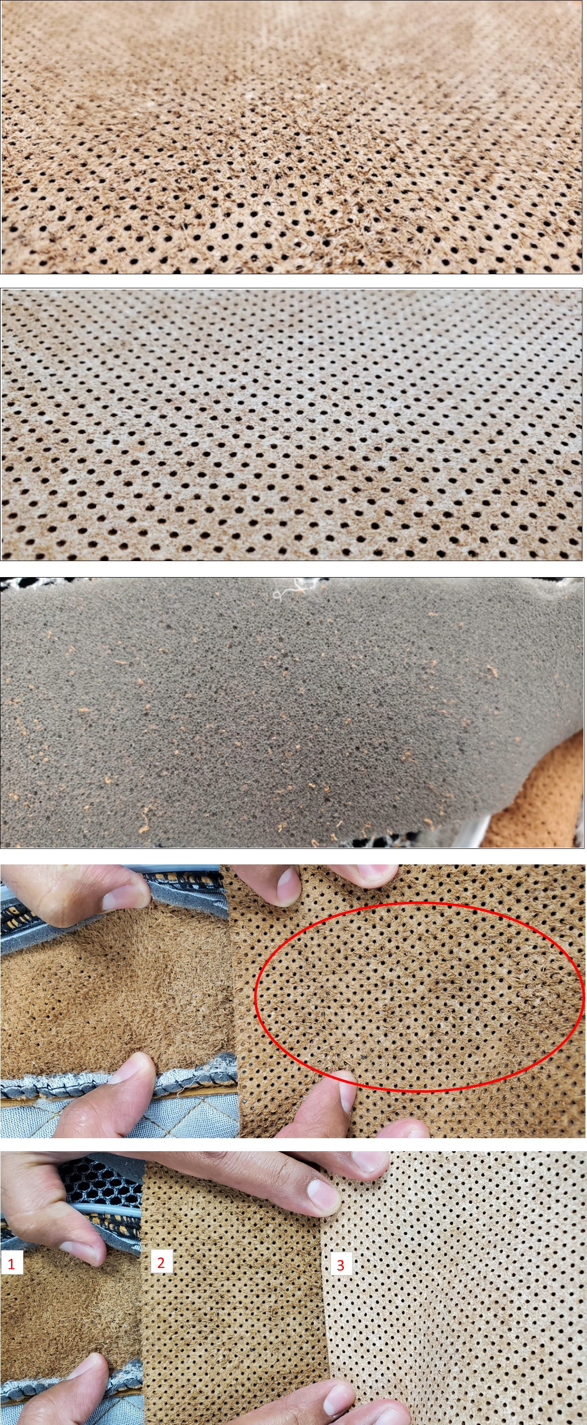

 | Fleshcoated perforated leater pattern with out a shaving process on it.

 | Perforated and shaved leater pattern with out fleshcoat.

 | Friction between leather and sponge, produces the rise up of non shaved fibers.

 | Comparison between defective warranty cover and non shaved, fleshcoated leather.

 | 1. - Defective warranty cover. 2. - Non shaved fleshcoated sample. 3. - Shaved sample.

Involving P.
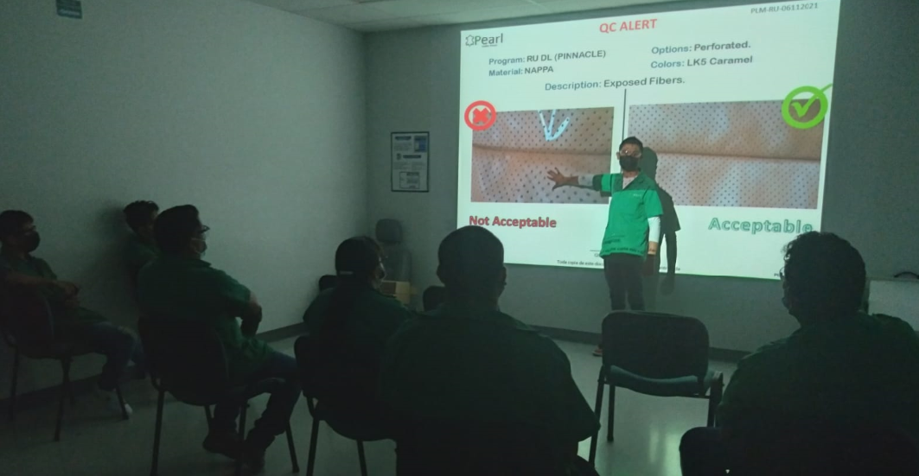

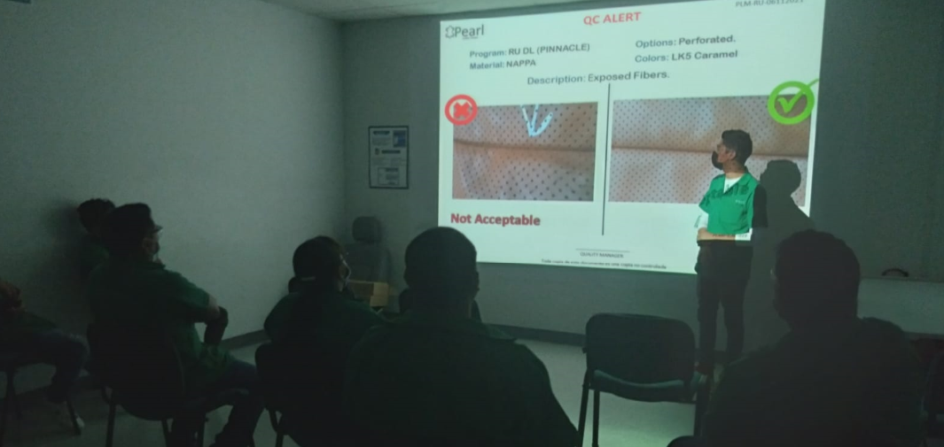

Meeting Minutes
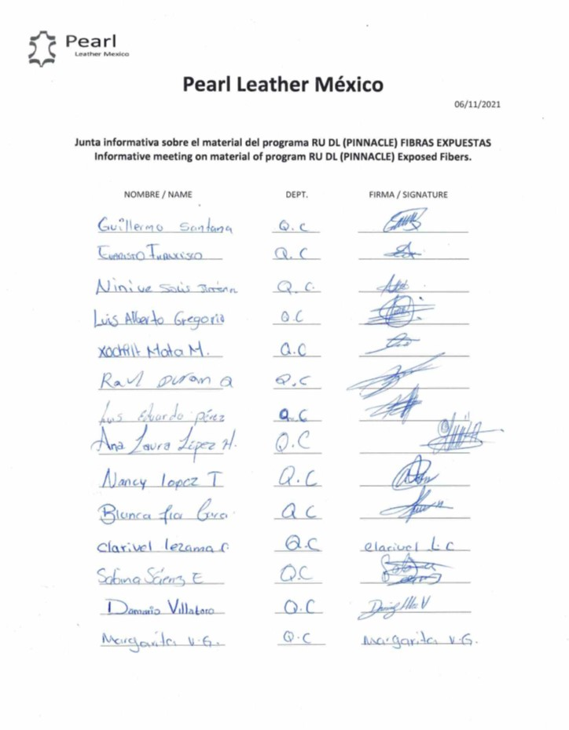
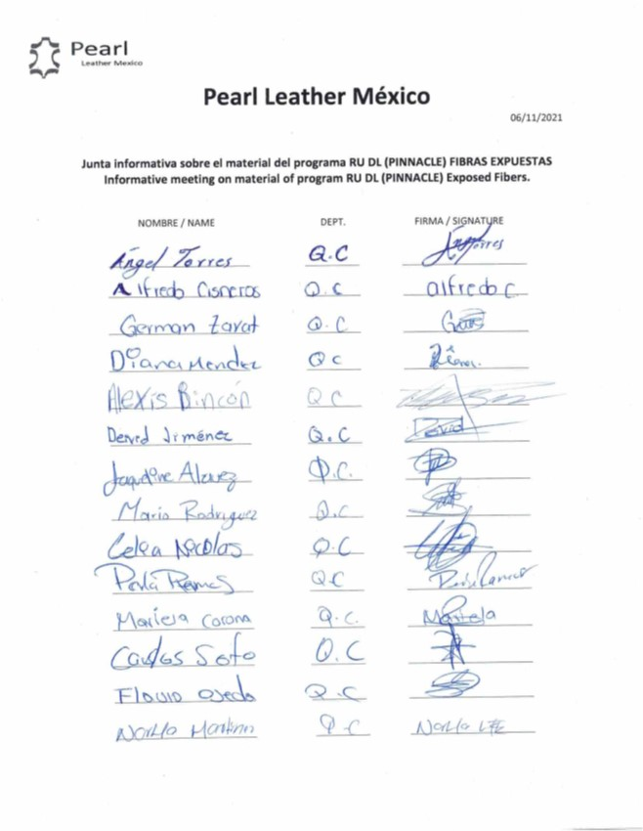

Quality alert
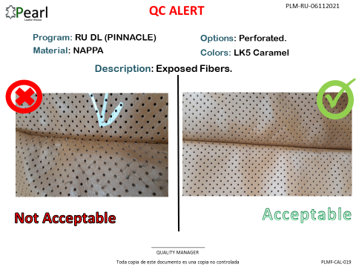
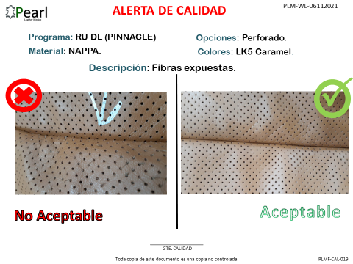

CP and WI Update
